Critical
 | WeChat Mobile 2 - User Testing
Critical | Product: CFD (English & Chinese) • Watchlist • Trade • Order Status • Portfolio • Outstanding Pos
 | Tested by: Gillian
Item/Function/Module | Test issue Description | Update | Type/Status | Screenshots | 2017-11-9/Status | 2017-11-23/Status | 2017-11-28/Status
Trade | Price Change in red color, but % sign in white color. | now if price change, |  |  | ok/Done | Is it hardcoded? For 1 of the counter missing price, -- is in white color but percentage sign % is red color, if no price or no change, there should be no % sign or white color %sign | ok/Done note:Now click on the product trade There's data and there's no data add %
Watchlist | 1.For CFD Index market, code to be displayed should be <company code> instead of <symbol code>, refer to current Mobile 2.0 2.Price is not updating, known issue? (used 660008 live account) | not fixed. | 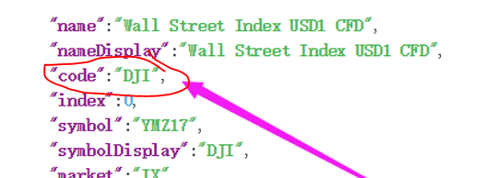 | 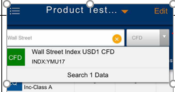 | note:返回的数据是对还是错？ 正确按哪个字段？ | 用Code是正确的，DJI. 不应该显示YMU17 | ok/Done
Trade | Trailing stop order: indicative calculation is wrong. If you require logic from me, kindly let me know. |  |  |  | ok/Done | Decimal place is correct now, but calculation is wrong.
Order Status: | Corr Order No should return value of the triggered limit order Eg. for order: S265132, Corr No should be 277362 |  |  | 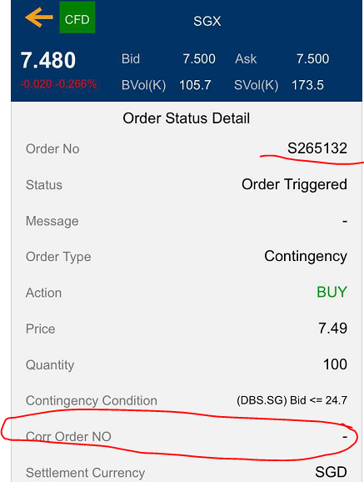 |  |  | ok/Done
Index Price | CFD Index Price is still missing in live env. |  |  |  |  |  | ok/Done show ok

Non-Critical
 | WeChat Mobile 2 - User Testing
Non-Critical | Product: CFD (English & Chinese) • Watchlist • Trade • Order Status • Portfolio • Outstanding Pos
 | Tested by: Gillian
Item/Function/Module | Test issue Description | Type/Status | Screenshots
Portfolio - Chinese | 账户概要： 分类账余额 未实现盈/亏 结算余额 |  | 